User Guide
User guide

This page provides information on how to use text searches to find relevant information in the spreadsheet.

Go to Outcome frameworks
Go to Standalone measures
Go to Glossary
Go to Taxonomy

We recommend that users of the spreadsheet use text filters to find relevant information. To text search, click on the filter dropdown button (the small downward pointing arrow) for the data field you want to search. Select "Text Filters" and "Contains..." (see below).

Clicking this will bring up the Custom AutoFilter window. The example below shows a search for "Housing".

After clicking OK, the spreadsheet now only displays rows in which the "Key words" data field contains the word "Housing" (see below).
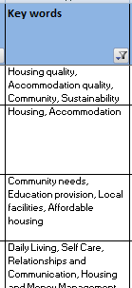
Although a user may search within any of the data fields, the most useful are likely to be: - "Relevant Big Society Capital outcome group(s)" - "Relevant Big Society Capital stakeholder group(s)" - "Key words" - "Outcome name"

